Sheet2
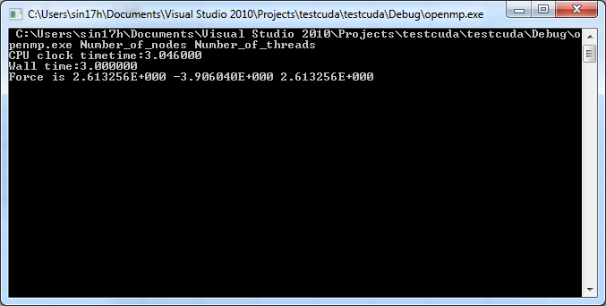

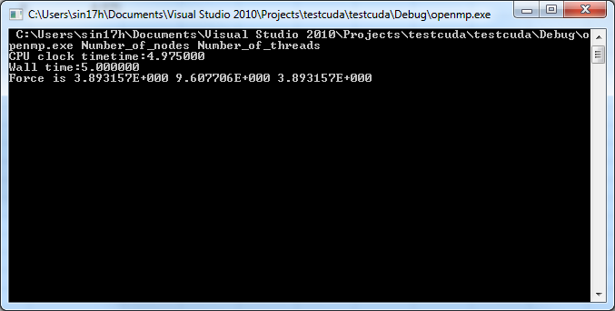

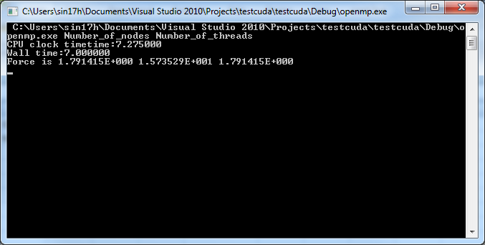

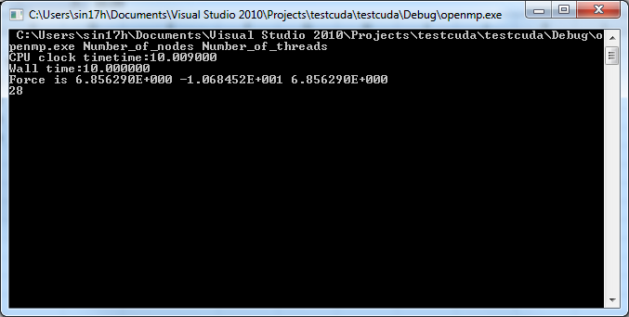

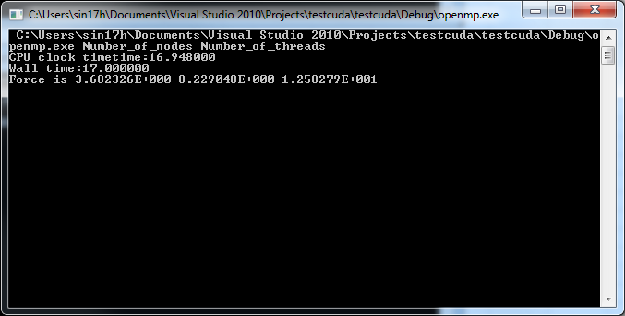



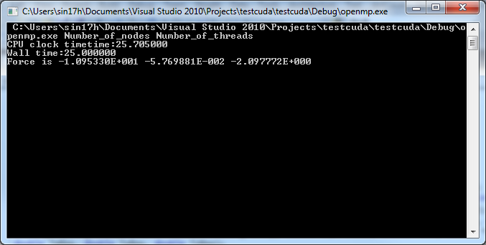

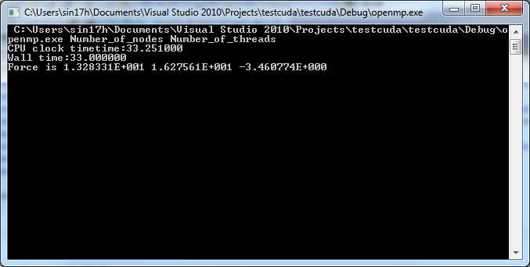

Sheet4
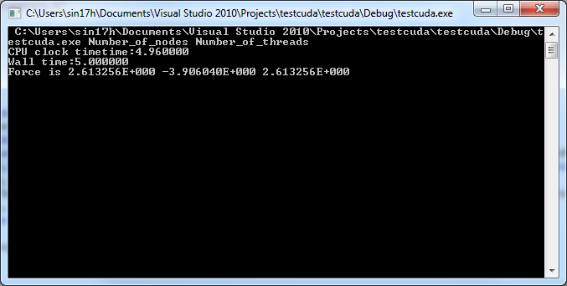

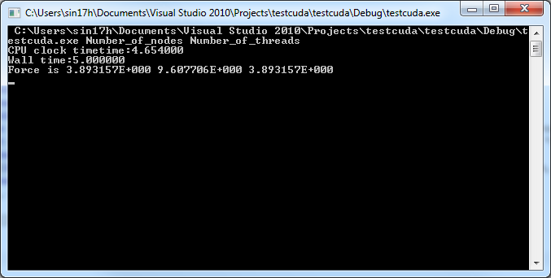

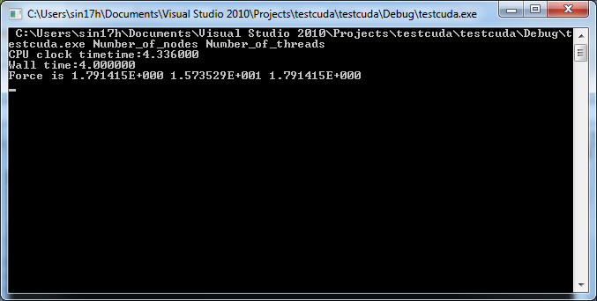

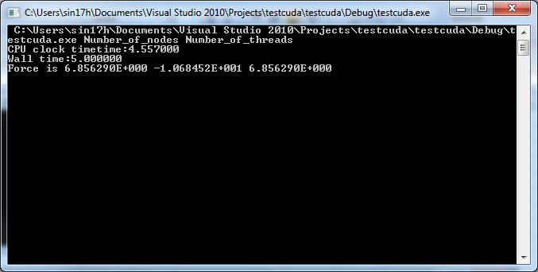

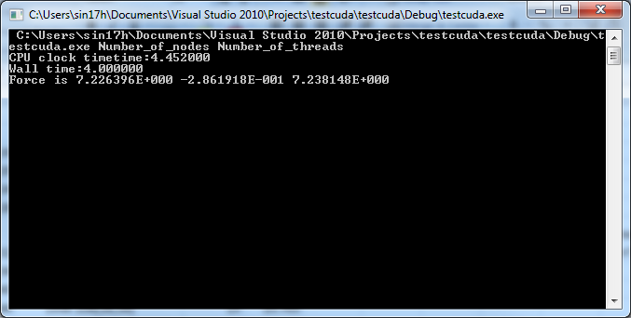

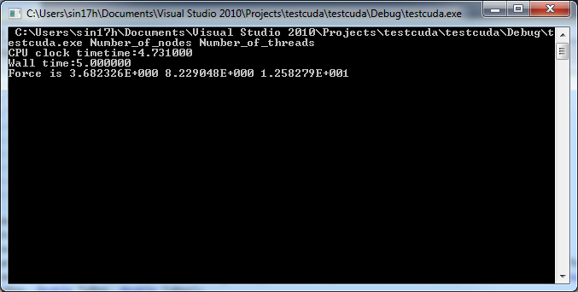

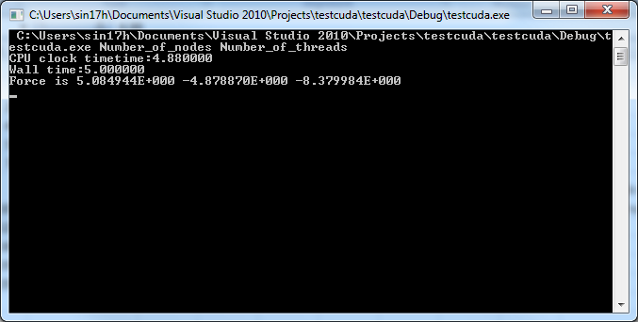

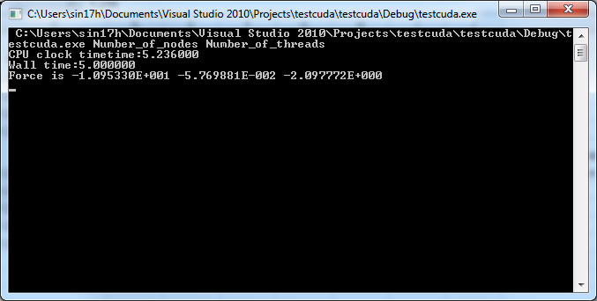

comparison
Result comparison for big data computation
N | N*N | Threads | wall time | CPU Clock Time
16 | 256 | 1 | 3 | 3.046
20 | 400 | 1 | 5 | 4.975
24 | 576 | 1 | 7 | 7.275
28 | 784 | 1 | 10 | 10.09
32 | 1024 | 1 | 13 | 13.189
36 | 1296 | 1 | 17 | 16.984
40 | 1600 | 1 | 21 | 21.041
44 | 1936 | 1 | 25 | 25.705
50 | 2500 | 1 | 33 | 33.251
60 | 3600 | 1 | 49 | 48.93
70 | 4900 | 1 | 67 | 66.31
80 | 6400 | 1 | 87 | 86.46
90 | 8100 | 1 | 113 | 112.67
100 | 10000 | 1 | 136 | 135.75
110 | 12100 | 1 | 167 | 167.18
120 | 14400 | 1 | 194 | 194.02
130 | 16900 | 1 | 232 | 231.66
140 | 19600 | 1 | 267 | 266.87
150 | 22500 | 1 | 306 | 306.32

N | N*N | Threads per block | wall time | CPU Clock Time
16 | 256 | 1 on CPU | 2 | 1.33
20 | 400 | 1 on CPU | 2 | 2.14
24 | 576 | 1 on CPU | 3 | 3.15
28 | 784 | 1 on CPU | 4 | 4.39
32 | 1024 | 1 on CPU | 6 | 5.77
36 | 1296 | 1 on CPU | 7 | 7.32
40 | 1600 | 1 on CPU | 9 | 9.11
44 | 1936 | 1 on CPU | 11 | 11.05
50 | 2500 | 1 on CPU | 14 | 14.39
60 | 3600 | 1 on CPU | 21 | 20.98
70 | 4900 | 1 on CPU | 29 | 28.58
80 | 6400 | 1 on CPU | 37 | 37.61
90 | 8100 | 1 on CPU | 49 | 48.68
100 | 10000 | 1 on CPU | 60 | 59.07
110 | 12100 | 1 on CPU | 71 | 71.56
120 | 14400 | 1 on CPU | 86 | 86.03
130 | 16900 | 1 on CPU | 102 | 102.17
140 | 19600 | 1 on CPU | 115 | 115
150 | 22500 | 1 on CPU | 132 | 131.8

N | N*N | Threads | wall time | CPU Clock Time
50 | 2500 | 5 | 8 | 7.8
60 | 3600 | 5 | 12 | 11.4
70 | 4900 | 5 | 15 | 15.07
80 | 6400 | 5 | 20 | 19.86
90 | 8100 | 5 | 25 | 25.12
100 | 10000 | 5 | 31 | 30.99
110 | 12100 | 5 | 37 | 37.05
120 | 14400 | 5 | 45 | 44.76
130 | 16900 | 5 | 42 | 52.07
140 | 19600 | 5 | 60 | 59.93
150 | 22500 | 5 | 69 | 69.02
160 | 25600 | 5 | 79 | 79
170 | 28900 | 5 | 99 | 99.07
180 | 32400 | 5 | 102 | 101.57
190 | 36100 | 5 | 111 | 111.18
200 | 40000 | 5 | 124 | 123.6

N | N*N | Threads per block | wall time | CPU Clock Time
50 | 2500 | 256[16,16] | 6 | 5.68
60 | 3600 | 256[16,16] | 6 | 6.03
70 | 4900 | 256[16,16] | 9 | 8.06
80 | 6400 | 256[16,16] | 9 | 9.01
90 | 8100 | 256[16,16] | 10 | 10.73
100 | 10000 | 256[16,16] | 14 | 13.19
110 | 12100 | 256[16,16] | 14 | 14.45
120 | 14400 | 256[16,16] | 16 | 15.96
130 | 16900 | 256[16,16] | 19 | 19.08
140 | 19600 | 256[16,16] | 21 | 21.33 | results are for 484[22,22] thread block.
150 | 22500 | 256[16,16] | 24 | 24.67 | 26 | 25.97
160 | 25600 | 256[16,16] | 27 | 26.92
170 | 28900 | 256[16,16] | 30 | 30.59
180 | 32400 | 256[16,16] | 35 | 34.36
190 | 36100 | 256[16,16] | 36 | 36.18
200 | 40000 | 256[16,16] | 41 | 40.6 | 44 | 44.01

